Sheet1
BETCHEM ETHIOPIA TRADING PLC |  | Addis Ababa, Ethiopia Sub-City - Kirkos Wereda 05 H.Number 130/08 email address: info@bet-chem.com
Chemical wholesale and distributor
INVOICE

INVOICE TO: | DATE
 | INVOICE NO.
ADDRESS | CONTACT NO. :+251962199536
TIN NO.
CONTACT
EMAIL

Description | Qty | Price | Total
Service Description | 0 | 0 | 0
Service Description | 0 | 0 | 0
Service Description | 0 | 0 | 0
Service Description | 0 | 0 | 0
Service Description | 0 | 0 | 0
 | SUB TOTAL |  | 0
 | VAT |  | 15%
 | GRAND TOTAL |  | 0
Bank Detail
Name of Account: Betchem Ethiopia Trading PLC
Bank Name: Dashen Bank
Account Number: 7981270743711

Branch Name: Bulgaria

Terms and Conditions
delivery is scheduled for two months, with payment terms requiring a 50% advance upon contract signing, 25% upon goods arrival at the dry port, and the remaining 25% upon final delivery | 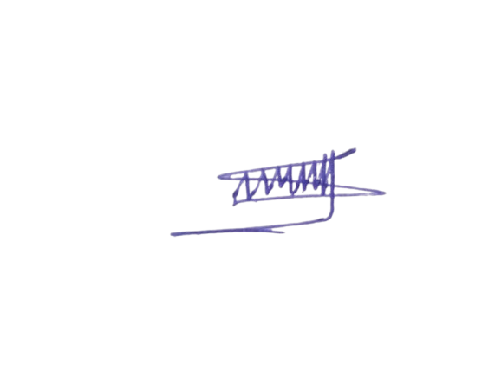 Selam Molla
 | Sales and Account executive

